correlation matrix
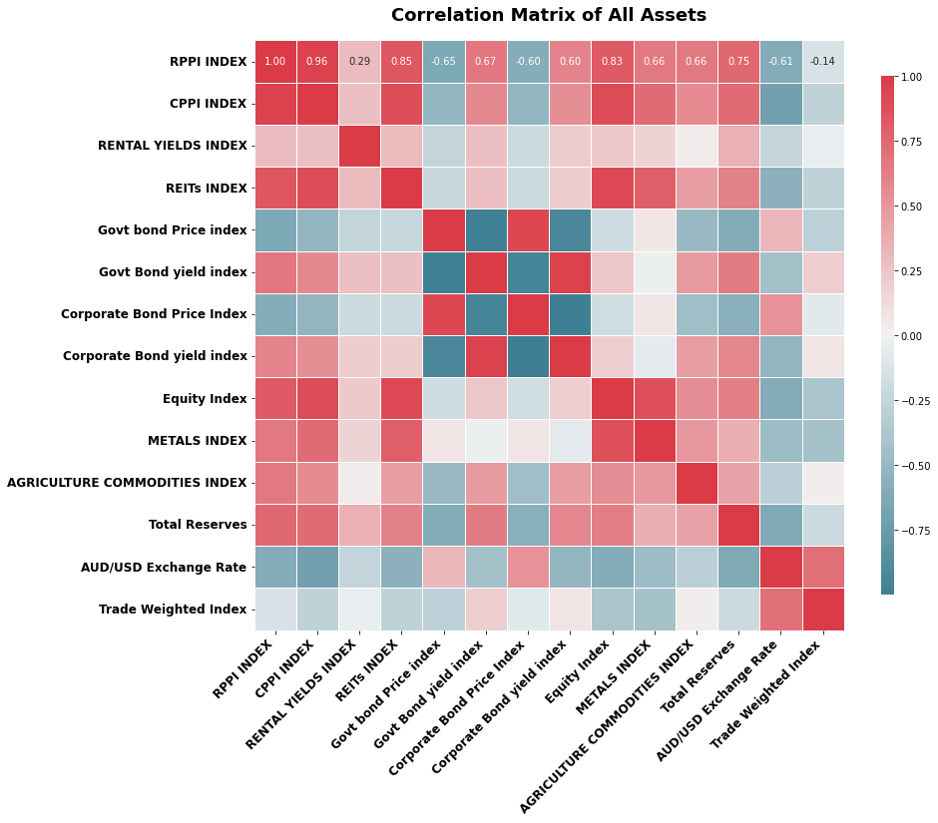
 | RPPI INDEX | CPPI INDEX | RENTAL YIELDS INDEX | REITs INDEX | Govt bond Price index | Govt Bond yield index | Corporate Bond Price Index | Corporate Bond yield index | Equity Index | METALS INDEX | AGRICULTURE COMMODITIES INDEX | Total Reserves | AUD/USD Exchange Rate | Trade Weighted Index
RPPI INDEX | 1 | 0.96046064771 | 0.2941820891 | 0.84895399482 | -0.64546285904 | 0.67091623473 | -0.59589078587 | 0.59985353658 | 0.82648968382 | 0.65717440329 | 0.66081738241 | 0.74786701941 | -0.61332563234 | -0.13770187219
CPPI INDEX | 0.96046064771 | 1 | 0.27708951126 | 0.89829030854 | -0.52006837758 | 0.57770458931 | -0.53048306369 | 0.53684590628 | 0.89985731986 | 0.73022435566 | 0.55635815227 | 0.73279712775 | -0.70971093513 | -0.27817039997
RENTAL YIELDS INDEX | 0.2941820891 | 0.27708951126 | 1 | 0.30002515222 | -0.25583715461 | 0.26786043931 | -0.20825229198 | 0.20790069597 | 0.22013612704 | 0.16590861816 | 0.031610511938 | 0.35788624991 | -0.25077539943 | -0.044473788904
REITs INDEX | 0.84895399482 | 0.89829030854 | 0.30002515222 | 1 | -0.23314220162 | 0.27759737874 | -0.2046025053 | 0.21077424822 | 0.92119341592 | 0.80152560631 | 0.45923506413 | 0.61126102099 | -0.55876363018 | -0.2785759329
Govt bond Price index | -0.64546285904 | -0.52006837758 | -0.25583715461 | -0.23314220162 | 1 | -0.98839869142 | 0.92799629406 | -0.92518019345 | -0.18774717653 | 0.067854067547 | -0.4952684194 | -0.60397344445 | 0.32802942385 | -0.28929982606
Govt Bond yield index | 0.67091623473 | 0.57770458931 | 0.26786043931 | 0.27759737874 | -0.98839869142 | 1 | -0.96065268005 | 0.95903687502 | 0.2421980935 | -0.028925829451 | 0.48142367361 | 0.64776493151 | -0.43362950368 | 0.19708435201
Corporate Bond Price Index | -0.59589078587 | -0.53048306369 | -0.20825229198 | -0.2046025053 | 0.92799629406 | -0.96065268005 | 1 | -0.99990580962 | -0.18200516059 | 0.076499219275 | -0.45310943408 | -0.58093006414 | 0.52076658752 | -0.079844488425
Corporate Bond yield index | 0.59985353658 | 0.53684590628 | 0.20790069597 | 0.21077424822 | -0.92518019345 | 0.95903687502 | -0.99990580962 | 1 | 0.18906733628 | -0.068481900469 | 0.45339028317 | 0.58112253188 | -0.52804855397 | 0.072380381323
Equity Index | 0.82648968382 | 0.89985731986 | 0.22013612704 | 0.92119341592 | -0.18774717653 | 0.2421980935 | -0.18200516059 | 0.18906733628 | 1 | 0.88196187068 | 0.54260419163 | 0.62564301153 | -0.60945693771 | -0.39949209711
METALS INDEX | 0.65717440329 | 0.73022435566 | 0.16590861816 | 0.80152560631 | 0.067854067547 | -0.028925829451 | 0.076499219275 | -0.068481900469 | 0.88196187068 | 1 | 0.48555959815 | 0.36332495265 | -0.46986648911 | -0.42379774779
AGRICULTURE COMMODITIES INDEX | 0.66081738241 | 0.55635815227 | 0.031610511938 | 0.45923506413 | -0.4952684194 | 0.48142367361 | -0.45310943408 | 0.45339028317 | 0.54260419163 | 0.48555959815 | 1 | 0.43147065684 | -0.29893059106 | 0.028696459983
Total Reserves | 0.74786701941 | 0.73279712775 | 0.35788624991 | 0.61126102099 | -0.60397344445 | 0.64776493151 | -0.58093006414 | 0.58112253188 | 0.62564301153 | 0.36332495265 | 0.43147065684 | 1 | -0.62640581328 | -0.20342739094
AUD/USD Exchange Rate | -0.61332563234 | -0.70971093513 | -0.25077539943 | -0.55876363018 | 0.32802942385 | -0.43362950368 | 0.52076658752 | -0.52804855397 | -0.60945693771 | -0.46986648911 | -0.29893059106 | -0.62640581328 | 1 | 0.71008726459
Trade Weighted Index | -0.13770187219 | -0.27817039997 | -0.044473788904 | -0.2785759329 | -0.28929982606 | 0.19708435201 | -0.079844488425 | 0.072380381323 | -0.39949209711 | -0.42379774779 | 0.028696459983 | -0.20342739094 | 0.71008726459 | 1

